Print Page 1
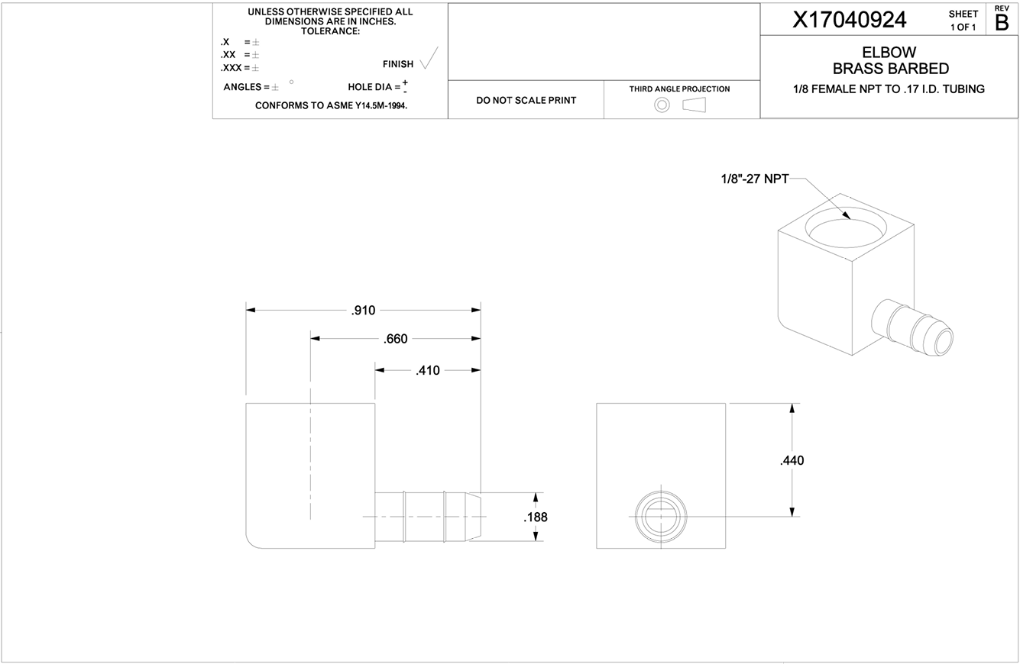

5
4
3

1

2

